Sheet1
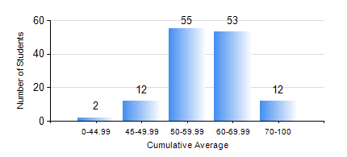
 |  |  | KWAME NKRUMAH UNIVERSITY OF SCIENCE AND TECHNOLOGY, KUMASI Department of Materials Engineering

 |  |  | BSC. METALLURGICAL ENG.

 |  |  | COMPREHENSIVE RECORD OF EXAMINATION RESULTS

 |  |  | RESULTS OF YEAR 4 SECOND SEMESTER, 2023/2024 ACADEMIC YEAR

 | Sn | Course Code |  | Course Name | Credit Hours | Min. Mark | Max. Mark | Avg. Mark | Std. Dev. | No. Passed | No. Trailed | No. (Df) | No. (I) | No. (I*) | No. Tagged(I,I*,Df) | Total
 | 0. |  |  |  |  |  |  | 0 | 0 | 0 | 0 | 0 | 0 | 0 | 0 | 1
 | 1. | ME 492 |  | MANAGEMENT AND ENTREPRENEURSHIP DEVELOPMENT | 2 | 40 | 70 | 58 | 6.85 | 133 | 0 | 0 | 0 | 0 | 0 | 133
 | 2. | METE 452 |  | ELECTROMETALLURGY | 3 | 24 | 87 | 55 | 12.07 | 128 | 5 | 0 | 0 | 0 | 0 | 133
 | 3. | METE 454 |  | METALLURGICAL WASTE MANAGEMENT | 3 | 43 | 91 | 74 | 10.1 | 133 | 0 | 0 | 0 | 0 | 0 | 133
 | 4. | METE 498 |  | FINAL YEAR PROJECT-THESIS PHASE | 4 | 40 | 84 | 70 | 9.23 | 133 | 0 | 0 | 0 | 0 | 0 | 133
 | 5. | MSE 358 |  | NUMERICAL METHODS FOR ENGINEERS | 2 | 5 | 64 | 34 | 41.72 | 1 | 1 | 0 | 0 | 0 | 0 | 2
 | 6. | MSE 456 |  | MATERIALS QUALITY CONTROL, ASSURRANCE AND SELECTION | 3 | 40 | 78 | 63 | 7.76 | 133 | 0 | 0 | 0 | 0 | 0 | 133
 | 7. | MSE 458 |  | PROCESS DYNANICS AND CONTROL | 4 | 26 | 93 | 58 | 14.33 | 125 | 8 | 0 | 0 | 0 | 0 | 133

